TRM
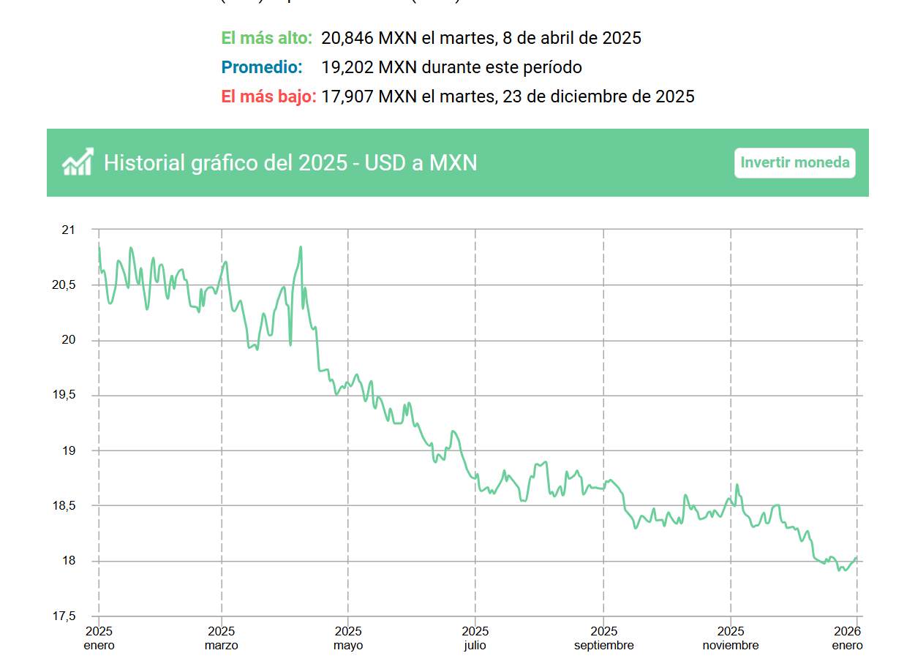

19.2020

MX Government
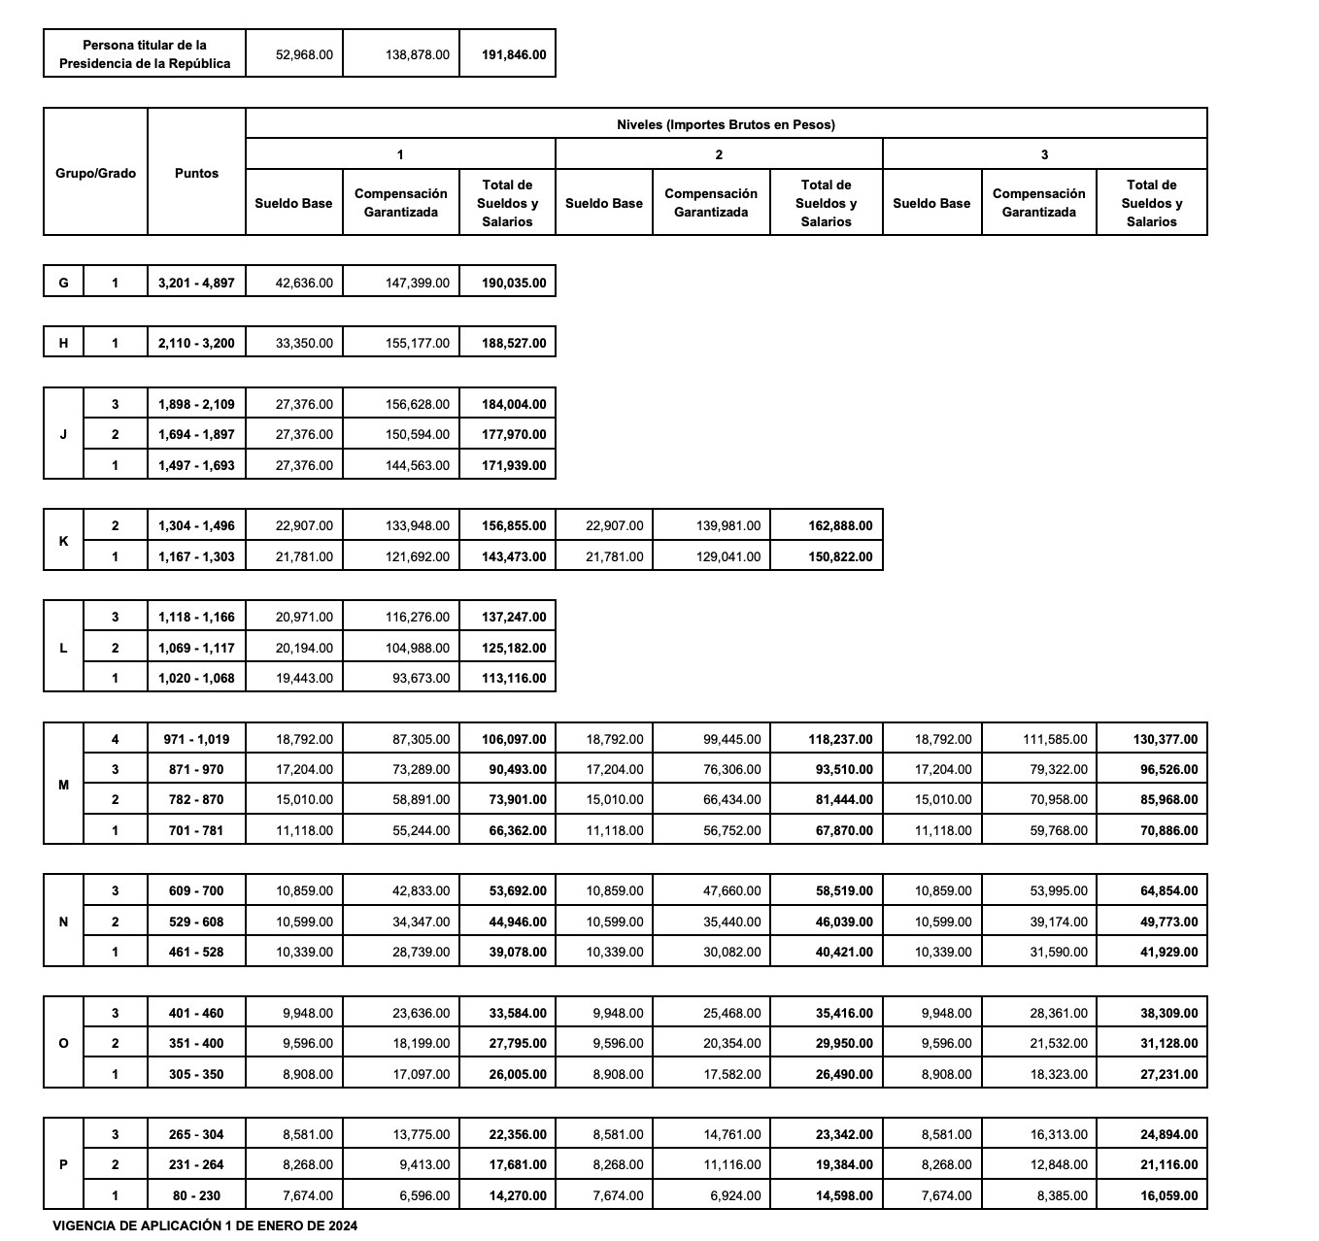
Grupo | Ancla MXN / MES | Ancla USD / MES
P | 14,000 – 26,000 | 737 – 1,368 USD
O | 26,000 – 38,000 | 1,368 – 2,000 USD
N | 39,000 – 65,000 | 2,031 – 3,421 USD
M | 66,000 – 130,000 | 3,474 – 6,842 USD
L | 113,000 – 137,000 | 5,895 – 7,211 USD
K | 143,000 – 163,000 | 7,474 – 8,579 USD
J | 172,000 – 184,000 | 9,053 – 9,684 USD
H | 188,000 | 9,895 USD

Grade | Grupo | Puestos típicos
A | P | Enlace / Assistant
B | O | Jefe de Departamento
C | N | Subdirector
D | M / L / K | Director / Coordinador / DG
E | J / H / G | Titular de Unidad / Subsecretario / Titular SIO

